Charge Amounts
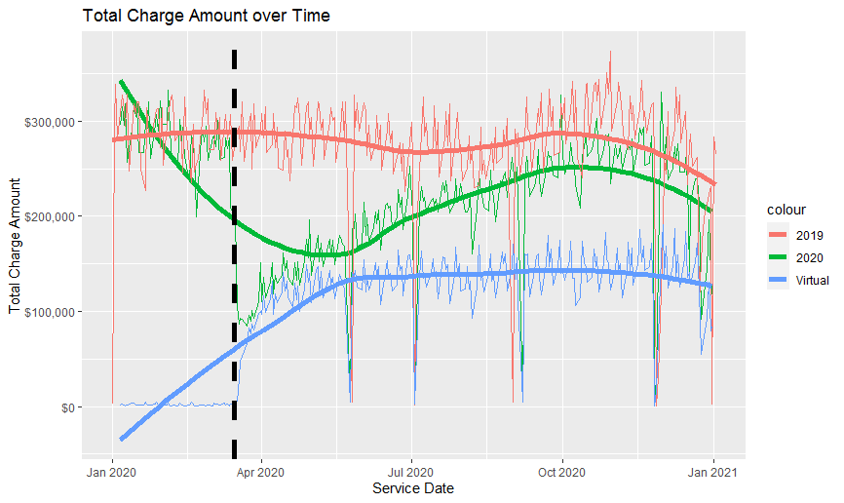

ASPC
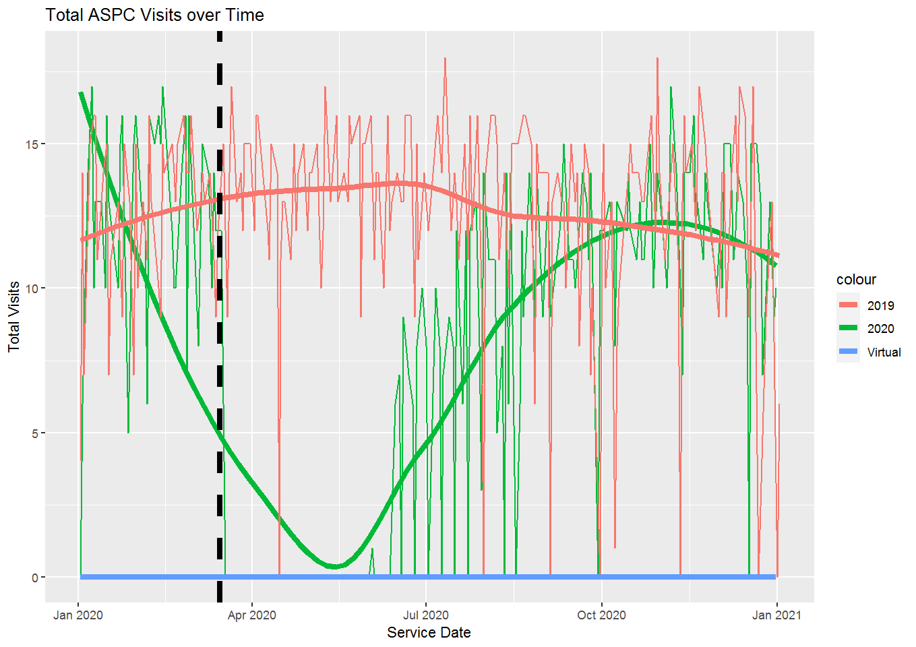
Provider | Appt Last Week | Virtual Appt Last Week | Average Week of Appts 2019 | Difference | Percent of 2019 | * For the week of 12/28/2020 - 1/1/2021
David_Kalman_MD | 10 | 0 | 4.25 | 5.75 | 235%
Joseph_Tassoni_MD | 9 | 0 | 4.25 | 4.75 | 212%
Michal_Ganz_MD | 13 | 0 | 6.5 | 6.5 | 200%
Total | 32 | 0 | 35.25 | -3.25 | 91%

BH
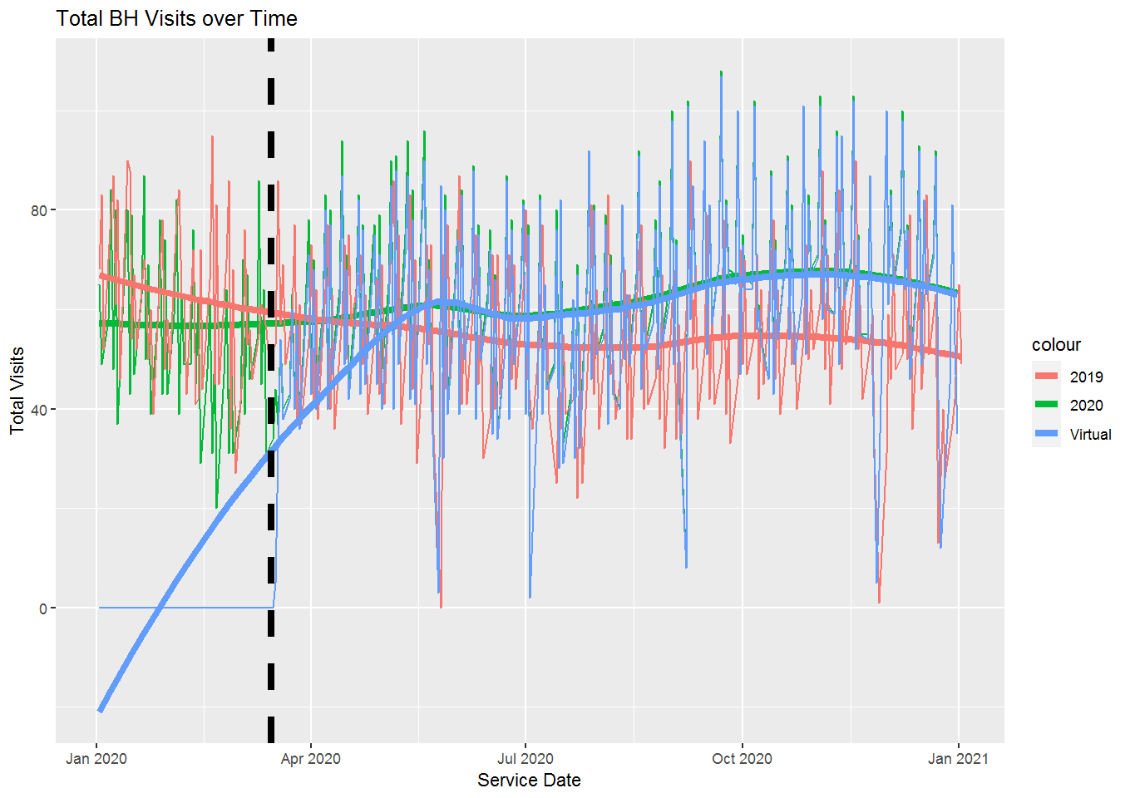
Provider | Appt Last Week | Virtual Appt Last Week | Average Week of Appts 2019 | Difference | Percent of 2019 | * For the week of 12/28/2020 - 1/1/2021
B_SaccoLaurens_PsyD | 18 | 18 | 15 | 3 | 120%
Barry_Krimsky_LMHC | 36 | 36 | 27.25 | 8.75 | 132%
Debra_Edelman_PhD | 19 | 19 | 12.5 | 6.5 | 152%
Jasmina_Ibrahimi | 18 | 18 | 22.5 | -4.5 | 80%
Jean_Schwartz_PsyD | 3 | 3 | 11.25 | -8.25 | 27%
Joel_Feinman_PHD | 3 | 3 | 2.25 | 0.75 | 133%
John_Anderson_EDD | 11 | 11 | 14.75 | -3.75 | 75%
John_Novo_LMFT | 18 | 18 | 16.25 | 1.75 | 111%
Justine_McCarthy_MD | 34 | 34 | 28.75 | 5.25 | 118%
Patricia_Mullady | 13 | 13 | 18.25 | -5.25 | 71%
Rob_Hincks__LICSW | 5 | 5 | 7.5 | -2.5 | 67%
Sandra_GesuelleHart | 14 | 14 | 17.25 | -3.25 | 81%
Stephen_Gallant_MD | 28 | 28 | 16.75 | 11.25 | 167%
Total | 220 | 220 | 237.75 | -17.75 | 93%

DM Education
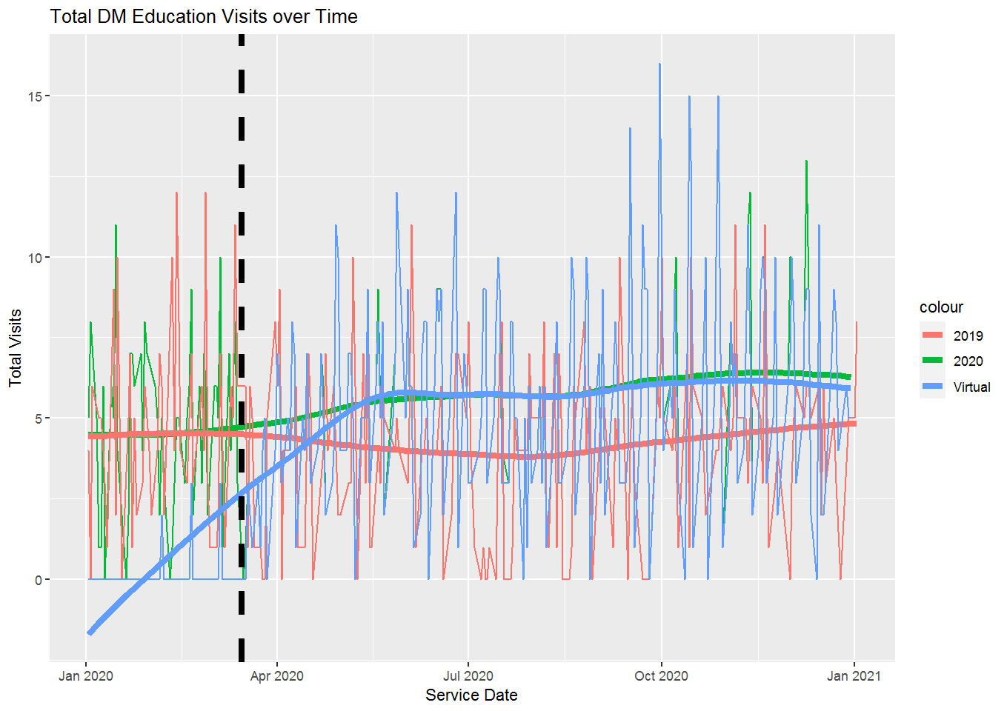
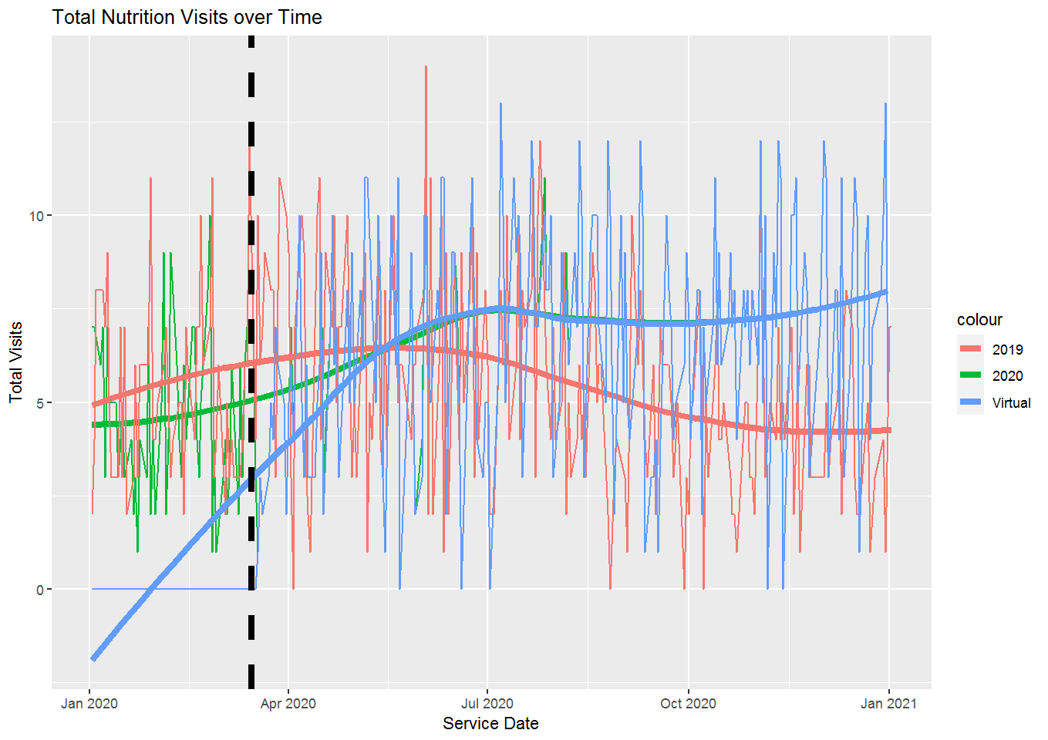
Provider | Appt Last Week | Virtual Appt Last Week | Average Week of Appts 2019 | Difference | Percent of 2019 | * For the week of 12/28/2020 - 1/1/2021
Bonnie_Grenier_CDE | 16 | 16 | 13.5 | 2.5 | 119%
Diane_Alpern_RD | 16 | 16 | 10.5 | 5.5 | 152%
Marjorie_Sobil_RDN | 20 | 20 | 7.75 | 12.25 | 258%
Sarah_Anderson_BSN | 0 | 0 | 1.75 | -1.75 | 0%
Total | 52 | 52 | 33.5 | 18.5 | 155%

Endocrinology
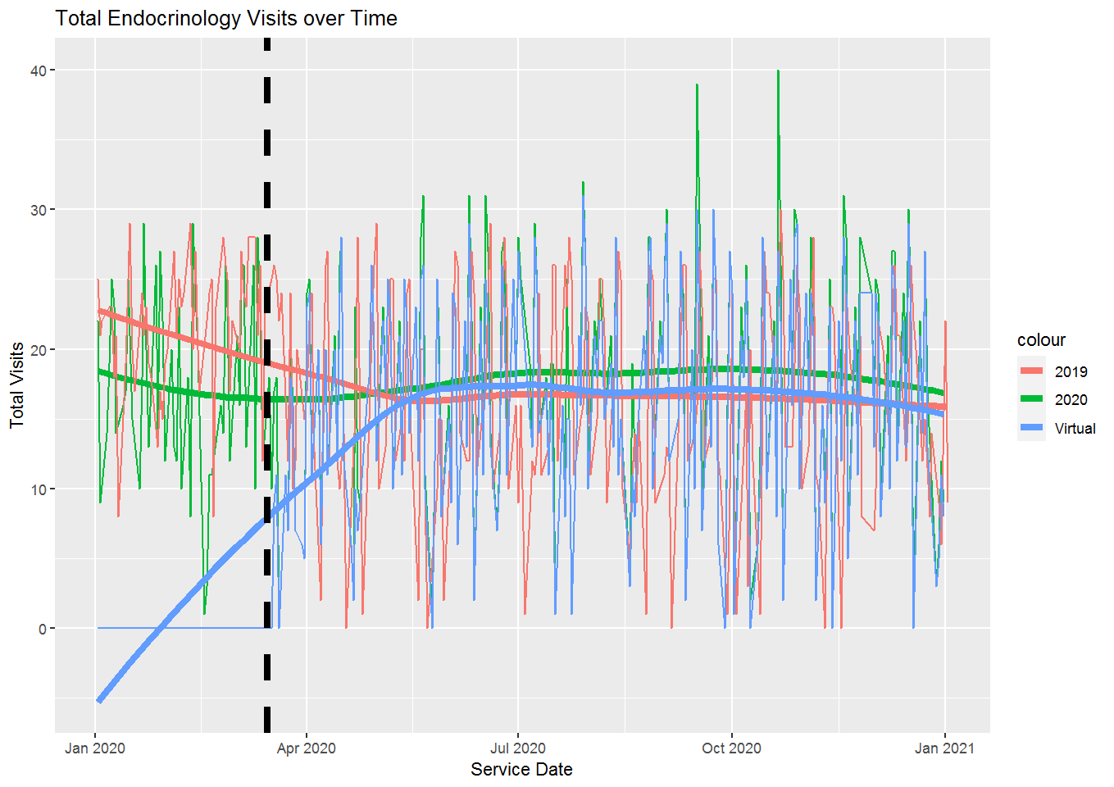
Provider | Appt Last Week | Virtual Appt Last Week | Average Week of Appts 2019 | Difference | Percent of 2019 | * For the week of 12/28/2020 - 1/1/2021
Stuart_Chipkin_MD | 27 | 27 | 30.75 | -3.75 | 88%
Total | 30 | 27 | 73.25 | -43.25 | 41%

Eye Care
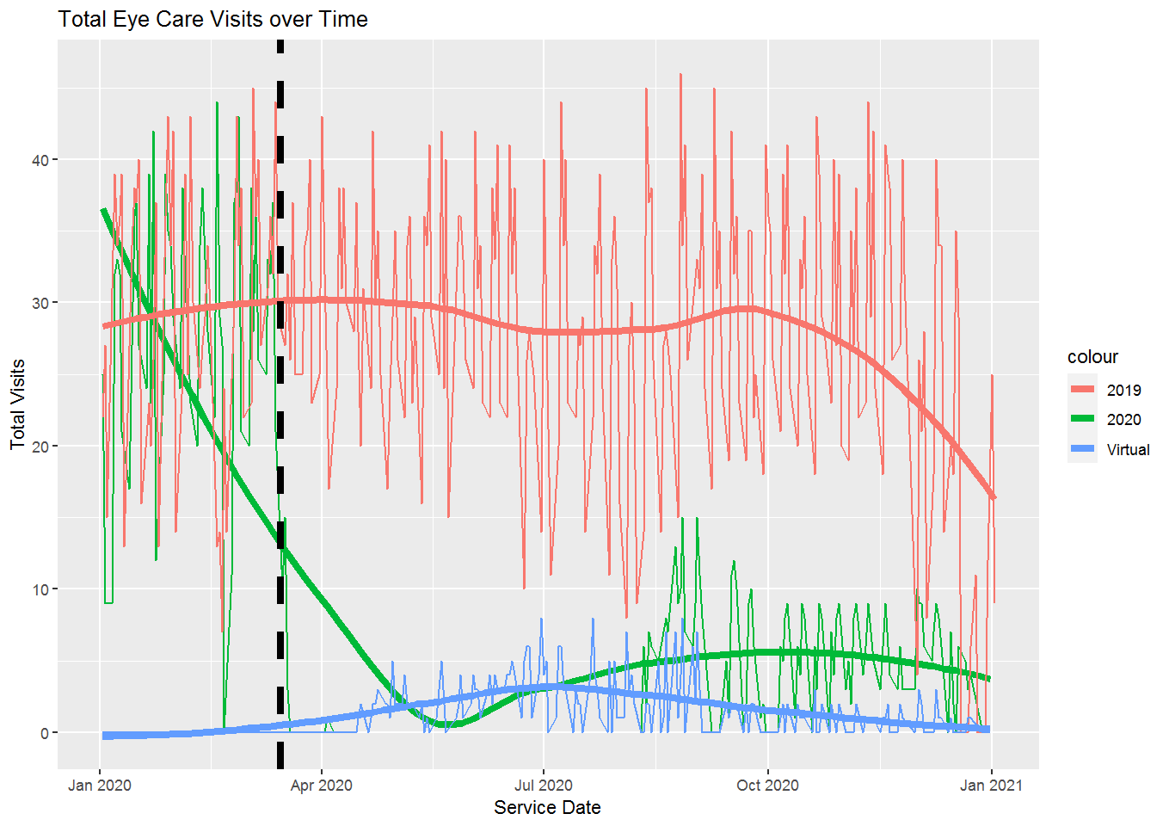
Provider | Appt Last Week | Virtual Appt Last Week | Average Week of Appts 2019 | Difference | Percent of 2019 | * For the week of 12/28/2020 - 1/1/2021
Yi_Hong_Cai_OD | 0 | 0 | 20.75 | -20.75 | 0
Total | 0 | 0 | 71.25 | -71.25 | 0

FP
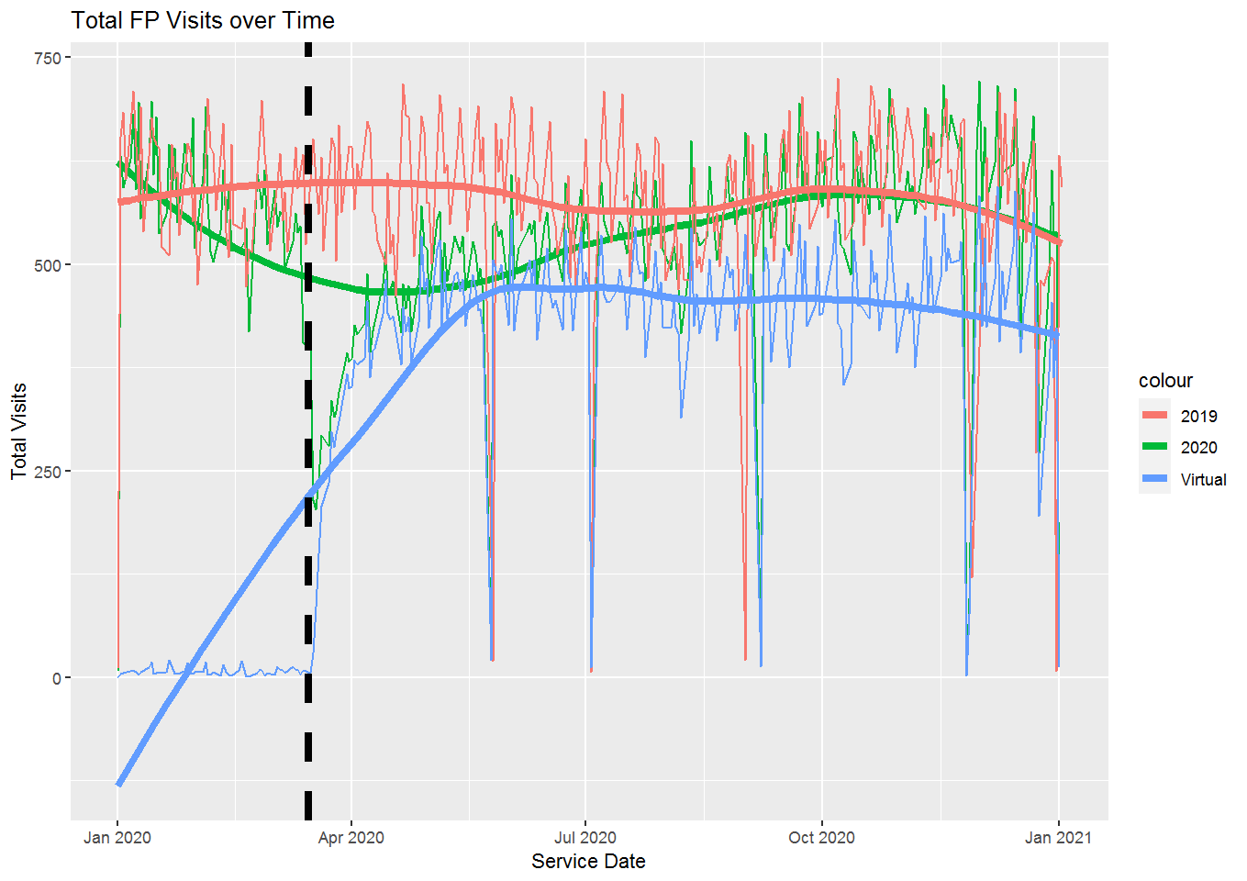
Center | Provider | Appt Last Week | Virtual Appt Last Week | Average Week of Appts 2019 | Difference | Percent of 2019 | * For the week of 12/28/2020 - 1/1/2021
AMC | Erica_Madara_FNP* | 34 | 33
AMC | Erin_Svrcek_PA | 0 | 0 | 17.5 | -17.5 | 0%
AMC | Jon_Schiller_MD | 36 | 35 | 34.75 | 1.25 | 104%
AMC | Katie_Coleman_FNP | 0 | 0 | 25 | -25 | 0%
AMC | Niloufar_Shoushtari* | 0 | 0
AMC | Patricia_Keough_NP | 38 | 31 | 37 | 1 | 103%
AMC | Robert_Vigderman_MD | 43 | 31 | 46 | -3 | 93%
AMC | Sara_Utzschneider | 31 | 25 | 35.5 | -4.5 | 87%
AMC | Terri_Morris_DNP* | 50 | 48
AMC | Tina_Furcolo_DO | 33 | 20 | 35.75 | -2.75 | 92%
EHC | Claudia_Viele_NP | 20 | 19 | 24.5 | -4.5 | 82%
EHC | David_Slack_MD | 46 | 40 | 45.5 | 0.5 | 101%
EHC | Elizabeth_Cory_NP | 41 | 36 | 38.25 | 2.75 | 107%
EHC | Hannah_Wzorek_NP | 25 | 25 | 38.75 | -13.75 | 65%
EHC | Heather_Kirby_PA* | 33 | 26
EHC | Jerald_Feinland_MD | 47 | 37 | 54.75 | -7.75 | 86%
EHC | Julianne_Tauscher | 0 | 0 | 28.25 | -28.25 | 0%
EHC | Kharmen_Lopez_MD | 0 | 0 | 64.75 | -64.75 | 0%
EHC | Laura_Aierstuck_NP* | 16 | 9
EHC | Lauren_Gorski_PA | 23 | 19 | 24 | -1 | 96%
EHC | Lauren_Schwartz_MD | 80 | 77 | 65 | 15 | 123%
EHC | Trisha_Rogers_PA | 46 | 42 | 43 | 3 | 107%
GHC | Amy_Gumprecht_PA* | 49 | 34
GHC | Anna_Bingham_MD | 54 | 50 | 0 | 54
GHC | Barb_Berthiaume_FNP | 46 | 42 | 47.25 | -1.25 | 97%
GHC | Carol_Conolly_RPAC | 40 | 40 | 46.5 | -6.5 | 86%
GHC | Debra_Orzen_DNP* | 33 | 31
GHC | Finn_Olcott_PAC | 26 | 25 | 29.75 | -3.75 | 87%
GHC | Gabriele_Karparis_NP* | 22 | 22
GHC | Jo_Stearns_PA | 47 | 47 | 46.75 | 0.25 | 101%
GHC | Kathleen_Murtland | 40 | 33 | 17.75 | 22.25 | 225%
GHC | Kaytlin_David_FNP | 44 | 38 | 26.5 | 17.5 | 166%
GHC | Laura_Duffy_FNP | 40 | 36 | 41.25 | -1.25 | 97%
GHC | Lisa_Appleton_NP | 43 | 36 | 41.75 | 1.25 | 103%
GHC | Margit_Walker_DO | 0 | 0 | 61.75 | -61.75 | 0%
GHC | Meghan_Gump_MD | 52 | 42 | 54.75 | -2.75 | 95%
GHC | Michael_Reeves_MD | 0 | 0 | 46.25 | -46.25 | 0%
GHC | Patricia_Iverson_MD | 37 | 27 | 49 | -12 | 76%
GHC | Paul_Carlan_MD | 62 | 56 | 41.75 | 20.25 | 149%
GHC | Paul_Fionte_PAC* | 50 | 46
NHC | Ann_Esrick_PA | 36 | 36 | 53.25 | -17.25 | 68%
NHC | Beth_Coates_MD* | 43 | 41
NHC | Betsy_Green_NP | 45 | 45 | 54 | -9 | 83%
NHC | Chris_Normandin_NP | 19 | 19 | 48 | -29 | 40%
NHC | David_Kaufman_MD | 37 | 35 | 35 | 2 | 106%
NHC | Emily_Graef_FNP | 38 | 35 | 47.25 | -9.25 | 80%
NHC | Gail_Blanchard_FNP | 38 | 38 | 45.25 | -7.25 | 84%
NHC | Henry_Simkin_MD | 53 | 51 | 62 | -9 | 85%
NHC | Jennifer_DePiero_MD | 0 | 0 | 47.75 | -47.75 | 0%
NHC | K_Walton_Vecchio_PA | 51 | 47 | 44 | 7 | 116%
NHC | Kristin_Rivera_DO | 0 | 0 | 48.75 | -48.75 | 0%
NHC | Laura_Goldstein | 44 | 32 | 34 | 10 | 129%
NHC | Lisa_Rivera_NP* | 46 | 31
NHC | Margaret_Gladski | 30 | 20 | 21.25 | 8.75 | 141%
NHC | Naomi_Bliss_FNP | 27 | 23 | 33 | -6 | 82%
NHC | Shersten_Killip_MD | 57 | 42 | 33.25 | 23.75 | 171%
NHC | Steven_Esrick_MD | 23 | 21 | 39.25 | -16.25 | 59%
REMOTE | Naomi_Rosenberg_MD* | 1 | 0
 | Total | 2261 | 1674 | 2619.75 | -358.75 | 86%
 | Total Provider Visits | 1915 | 1674

FP, AMC, OFFICE
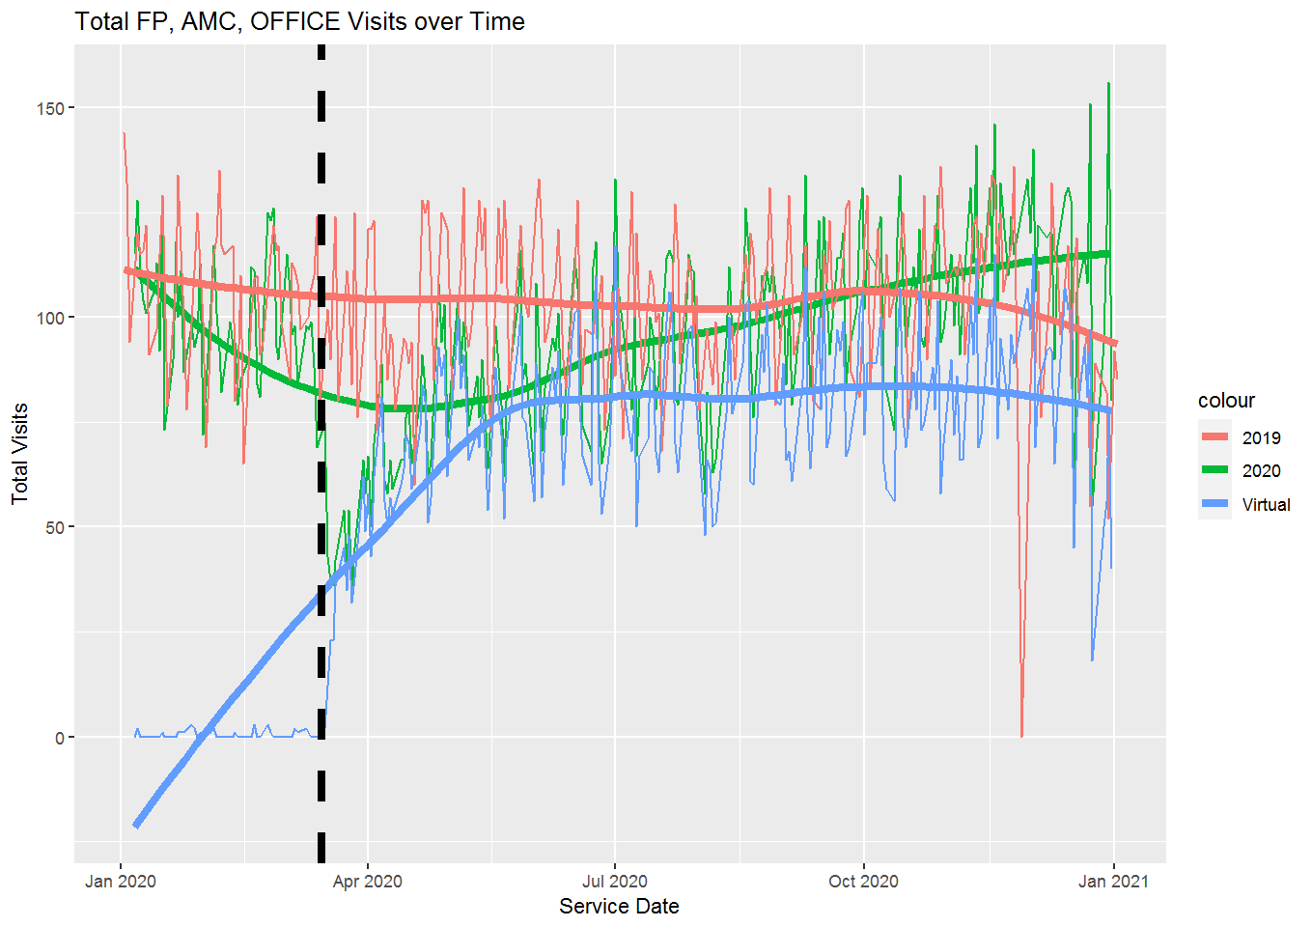
Provider | Appt Last Week | Virtual Appt Last Week | Average Week of Appts 2019 | Difference | Percent of 2019 | * For the week of 12/28/2020 - 1/1/2021
Erica_Madara_FNP | 34 | 33
Erin_Svrcek_PA | 0 | 0 | 17.5 | -17.5 | 0%
Jon_Schiller_MD | 36 | 35 | 34.75 | 1.25 | 104%
Katie_Coleman_FNP | 0 | 0 | 25 | -25 | 0%
Naomi_Rosenberg_MD | 1 | 0
Niloufar_Shoushtari | 0 | 0
Patricia_Keough_NP | 38 | 31 | 37 | 1 | 103%
Robert_Vigderman_MD | 43 | 31 | 44 | -1 | 98%
Sara_Utzschneider | 31 | 25 | 35.5 | -4.5 | 87%
Terri_Morris_DNP | 50 | 48
Tina_Furcolo_DO | 33 | 20 | 35.75 | -2.75 | 92%
Total | 463 | 223 | 427 | 36 | 108%
Total Provider Visits | 266 | 223

FP, EHC, OFFICE
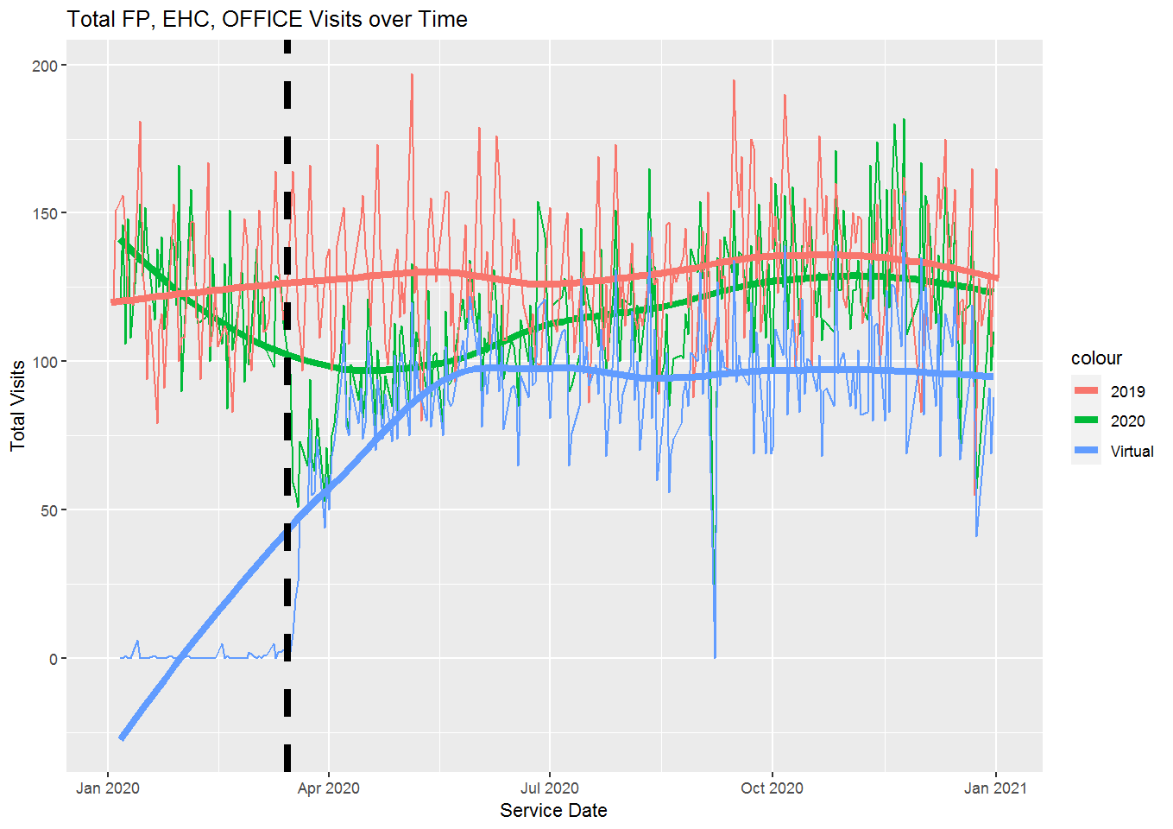
Provider | Appt Last Week | Virtual Appt Last Week | Average Week of Appts 2019 | Difference | Percent of 2019 | * For the week of 12/28/2020 - 1/1/2021
Claudia_Viele_NP | 20 | 19 | 18.5 | 1.5 | 108%
David_Kaufman_MD | 18 | 17
David_Slack_MD | 46 | 40 | 45.5 | 0.5 | 101%
Elizabeth_Cory_NP | 41 | 36 | 34.75 | 6.25 | 118%
Hannah_Wzorek_NP | 25 | 25 | 38.75 | -13.75 | 65%
Heather_Kirby_PA | 33 | 26
Jerald_Feinland_MD | 47 | 37 | 47.25 | -0.25 | 99%
Julianne_Tauscher | 0 | 0 | 28.25 | -28.25 | 0%
Kharmen_Lopez_MD | 0 | 0 | 61.25 | -61.25 | 0%
Laura_Aierstuck_NP | 16 | 9
Lauren_Gorski_PA | 14 | 14 | 24 | -10 | 58%
Lauren_Schwartz_MD | 68 | 65 | 62 | 6 | 110%
Trisha_Rogers_PA | 46 | 42 | 39 | 7 | 118%
Total | 431 | 330 | 561.75 | -130.75 | 77%
Total Provider Visits | 374 | 330

FP, GHC, OFFICE
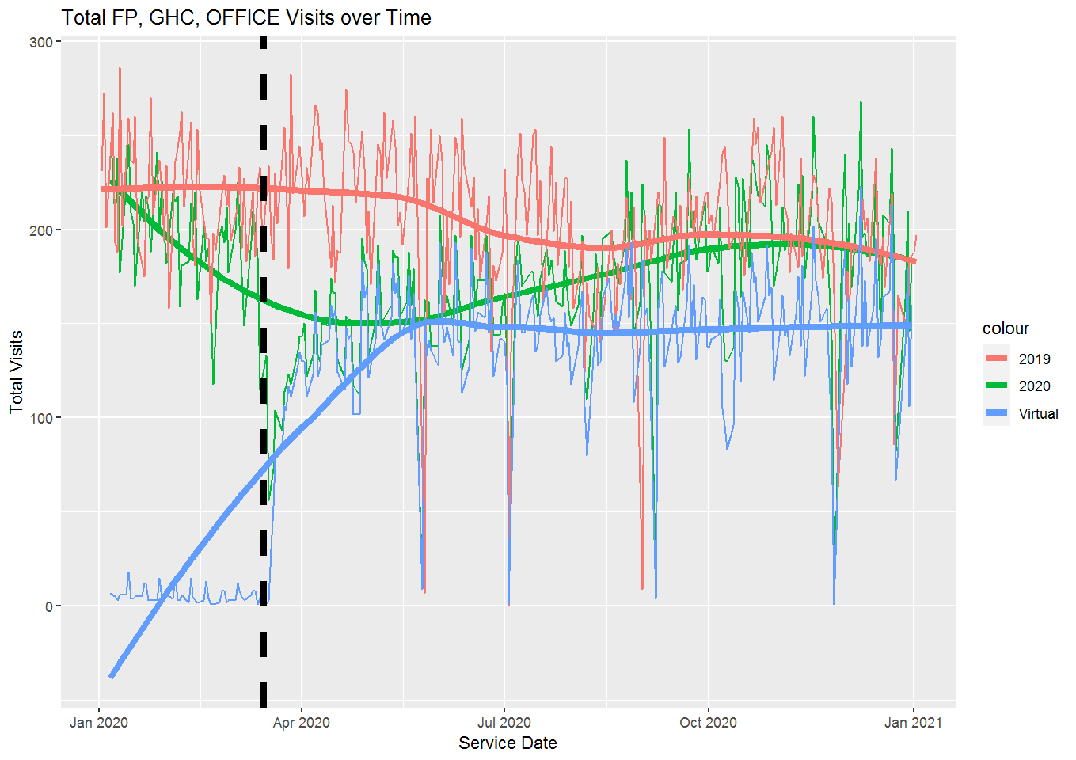
Provider | Appt Last Week | Virtual Appt Last Week | Average Week of Appts 2019 | Difference | Percent of 2019 | * For the week of 12/28/2020 - 1/1/2021
Amy_Gumprecht_PA | 49 | 34
Anna_Bingham_MD | 54 | 50 | 0 | 54
Barb_Berthiaume_FNP | 46 | 42 | 47.25 | -1.25 | 97%
Carol_Conolly_RPAC | 40 | 40 | 46.5 | -6.5 | 86%
Debra_Orzen_DNP | 33 | 31
Finn_Olcott_PAC | 26 | 25 | 29.75 | -3.75 | 87%
Gabriele_Karparis_NP | 22 | 22
Jo_Stearns_PA | 47 | 47 | 46.75 | 0.25 | 101%
Kathleen_Murtland | 40 | 33 | 17.75 | 22.25 | 225%
Kaytlin_David_FNP | 44 | 38 | 26.5 | 17.5 | 166%
Laura_Duffy_FNP | 40 | 36 | 41.25 | -1.25 | 97%
Lisa_Appleton_NP | 43 | 36 | 41.75 | 1.25 | 103%
Margit_Walker_DO | 0 | 0 | 61.75 | -61.75 | 0%
Meghan_Gump_MD | 52 | 42 | 54.75 | -2.75 | 95%
Michael_Reeves_MD | 0 | 0 | 46.25 | -46.25 | 0%
Patricia_Iverson_MD | 37 | 27 | 49 | -12 | 76%
Paul_Carlan_MD | 62 | 56 | 41.75 | 20.25 | 149%
Paul_Fionte_PAC | 50 | 46
Total | 724 | 605 | 866 | -142 | 84%
Total Provider Visits | 685 | 605

FP, NHC, OFFICE
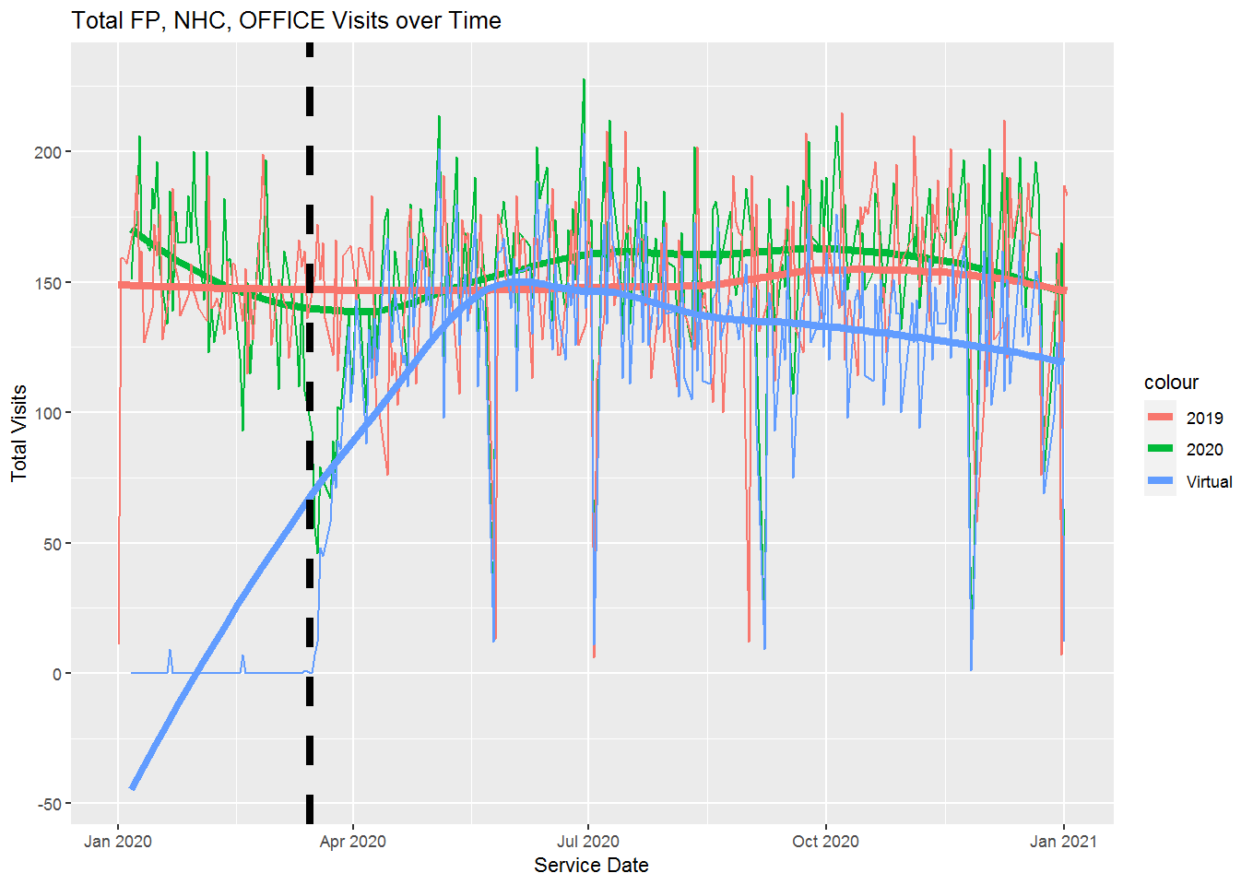
Provider | Appt Last Week | Virtual Appt Last Week | Average Week of Appts 2019 | Difference | Percent of 2019 | * For the week of 12/28/2020 - 1/1/2021
Ann_Esrick_PA | 36 | 36 | 46.75 | -10.75 | 77%
Beth_Coates_MD | 43 | 41
Betsy_Green_NP | 45 | 45 | 54 | -9 | 83%
Chris_Normandin_NP | 19 | 19 | 45.5 | -26.5 | 42%
David_Kaufman_MD | 19 | 18 | 29.75 | -10.75 | 64%
Emily_Graef_FNP | 38 | 35 | 47.25 | -9.25 | 80%
Gail_Blanchard_FNP | 38 | 38 | 45.25 | -7.25 | 84%
Henry_Simkin_MD | 53 | 51 | 62 | -9 | 85%
Jennifer_DePiero_MD | 0 | 0 | 47.75 | -47.75 | 0%
K_Walton_Vecchio_PA | 51 | 47 | 40.25 | 10.75 | 127%
Kristin_Rivera_DO | 0 | 0 | 48.75 | -48.75 | 0%
Laura_Goldstein | 44 | 32 | 34 | 10 | 129%
Lauren_Gorski_PA | 9 | 5
Lauren_Schwartz_MD | 12 | 12 | 3 | 9 | 400%
Lisa_Rivera_NP | 46 | 31
Margaret_Gladski | 30 | 20 | 21.25 | 8.75 | 141%
Naomi_Bliss_FNP | 27 | 23 | 33 | -6 | 82%
Sara_Utzschneider | 0 | 0
Shersten_Killip_MD | 57 | 42 | 33.25 | 23.75 | 171%
Steven_Esrick_MD | 23 | 21 | 39.25 | -16.25 | 59%
Total | 643 | 516 | 765 | -122 | 84%
Total Provider Visits | 590 | 516

IBH
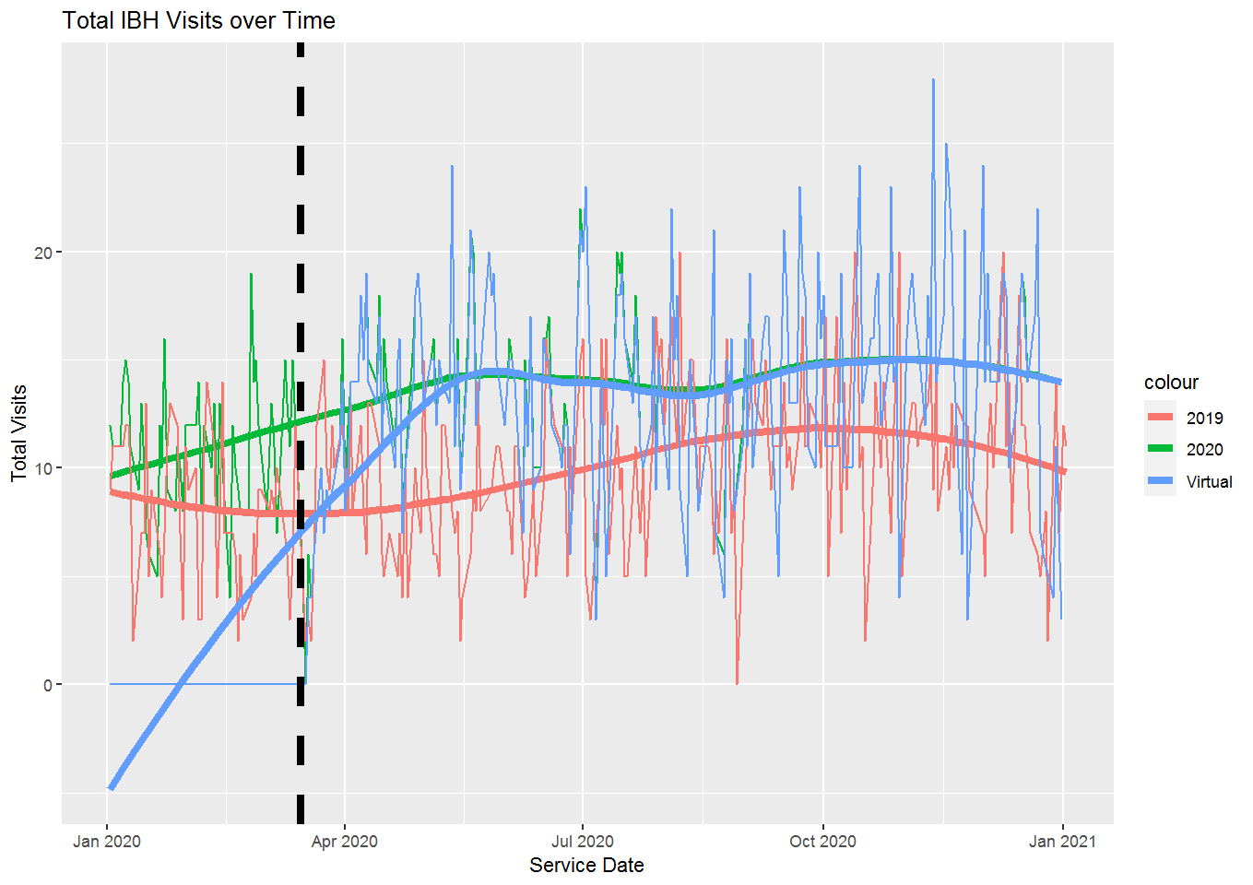
Provider | Appt Last Week | Virtual Appt Last Week | Average Week of Appts 2019 | Difference | Percent of 2019 | * For the week of 12/28/2020 - 1/1/2021
Marta_Rodriguez | 13 | 13 | 9.25 | 3.75 | 141%
Pam_Brigham_LICSW | 4 | 4 | 6.25 | -2.25 | 64%
Suellen_Walsh_PhD | 8 | 8 | 10.5 | -2.5 | 76%
Total | 25 | 25 | 46.25 | -21.25 | 54%

LAB
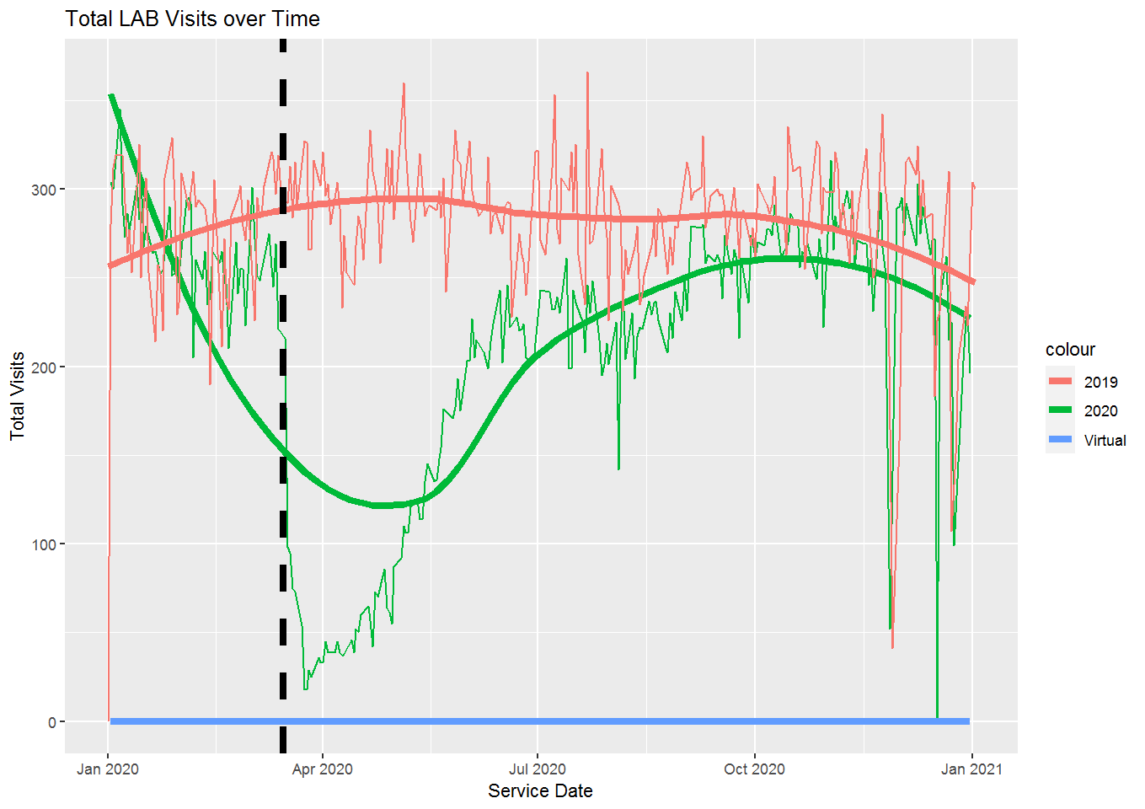
Provider | Appt Last Week | Virtual Appt Last Week | Average Week of Appts 2019 | Difference | Percent of 2019 | * For the week of 12/28/2020 - 1/1/2021
AMC_LAB | 143 | 0 | 179.25 | -36.25 | 80%
COVID_COLLECTIONS | 201 | 0
EHC_LAB | 202 | 0 | 263.5 | -61.5 | 77%
GHC_LAB | 141 | 0 | 440.5 | -299.5 | 32%
NHC_LAB | 169 | 0 | 273.25 | -104.25 | 62%
Total | 856 | 0 | 1156.5 | -300.5 | 74%

Physical Therapy
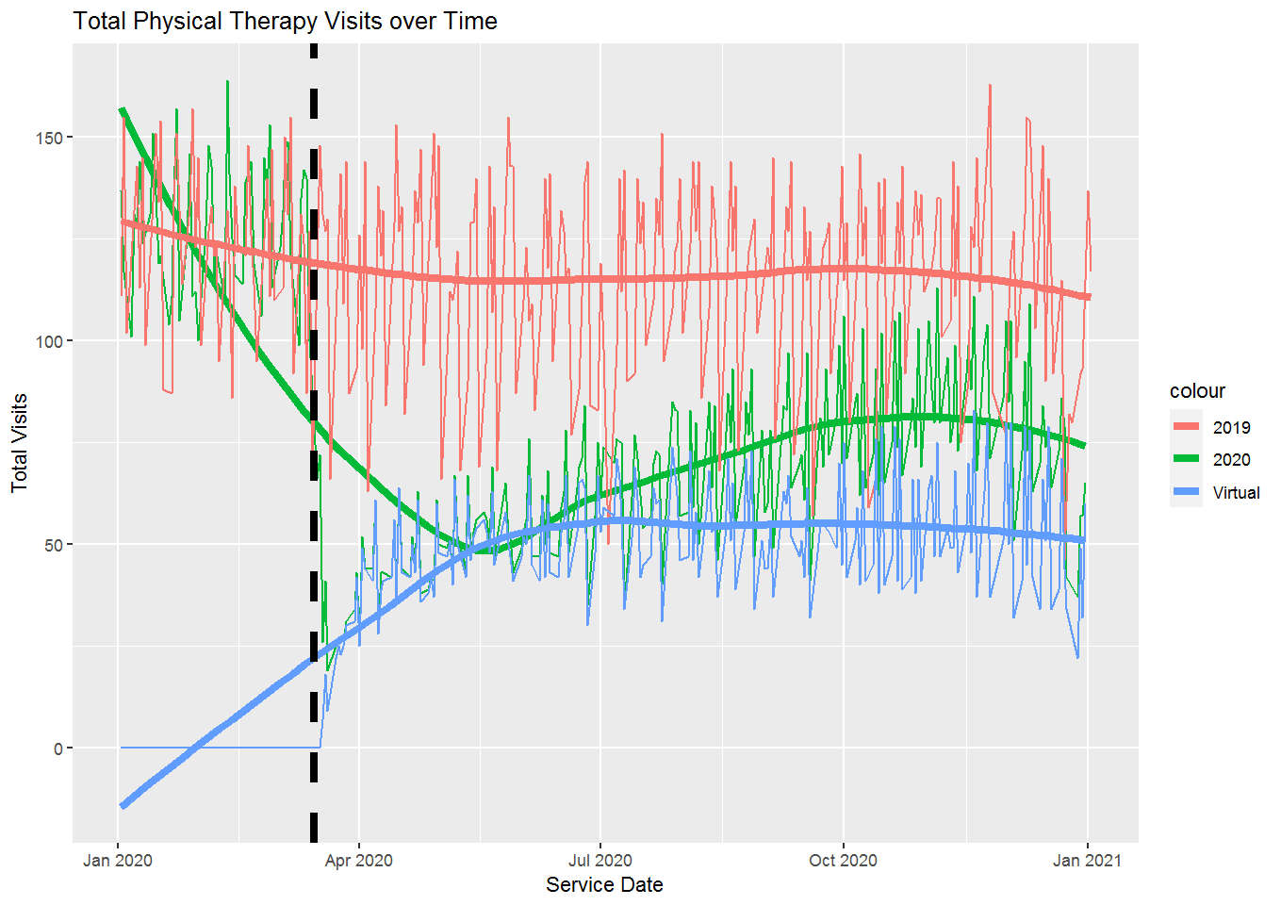
Provider | Appt Last Week | Virtual Appt Last Week | Average Week of Appts 2019 | Difference | Percent of 2019 | * For the week of 12/28/2020 - 1/1/2021
Alyse_Bynum_OT | 6 | 6 | 18.5 | -12.5 | 32%
Danielle_Daddamio | 37 | 20 | 36 | 1 | 103%
Diane_FisherKatz_PT | 28 | 22 | 39.5 | -11.5 | 71%
John_OSullivan_PT | 29 | 24 | 44.75 | -15.75 | 65%
John_Prinzivalli_PT | 1 | 0 | 38.75 | -37.75 | 3%
Laya_Griffith_DPT | 26 | 21 | 40 | -14 | 65%
Leanne_Greene_PT | 13 | 8 | 25.25 | -12.25 | 51%
Lisa_Trimby_DPT | 29 | 28 | 53 | -24 | 55%
Michelle_Kofler_PT | 18 | 16 | 51 | -33 | 35%
Rebecca_Bucala_PT | 15 | 12 | 26.25 | -11.25 | 57%
Robin_McKeon_PT | 0 | 0 | 20.75 | -20.75 | 0%
Sandra_Kobylarz_PT | 14 | 6 | 29.5 | -15.5 | 47%
Total | 216 | 163 | 488.75 | -272.75 | 44%

Podiatry
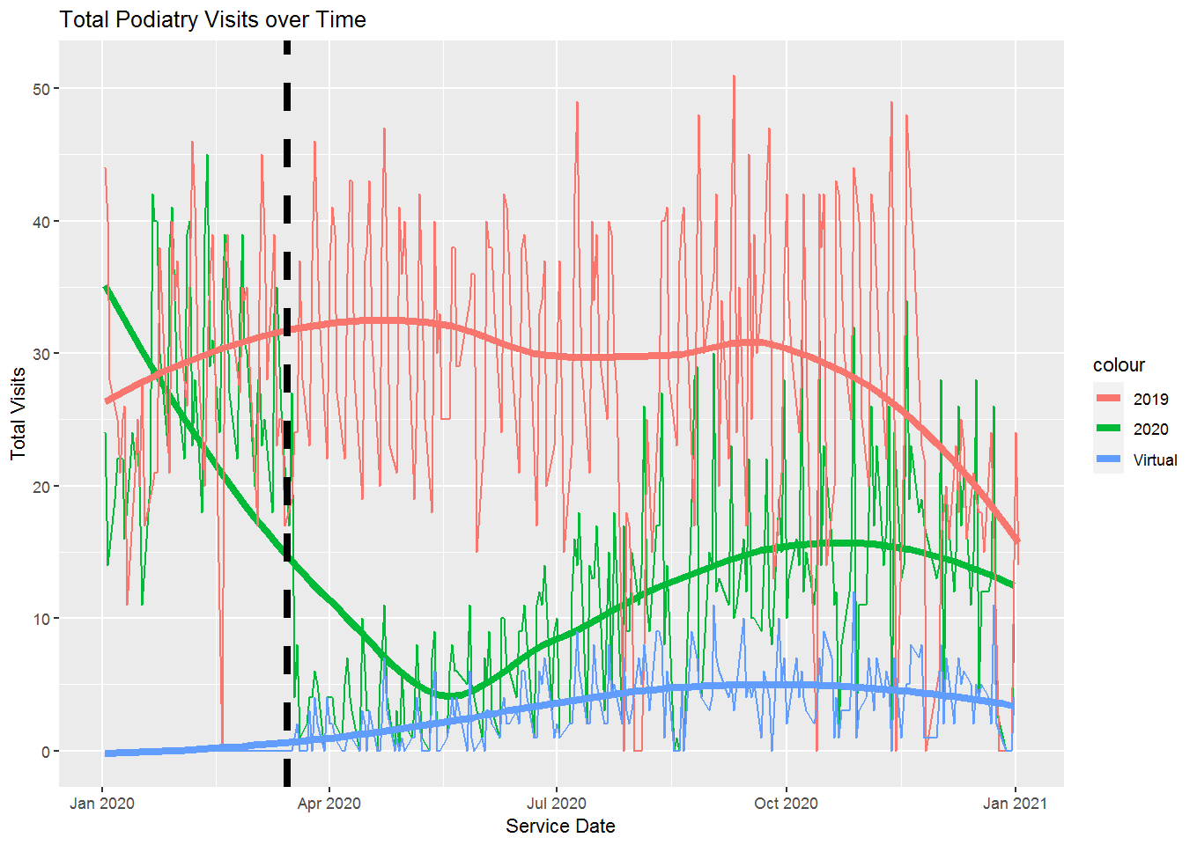
Provider | Appt Last Week | Virtual Appt Last Week | Average Week of Appts 2019 | Difference | Percent of 2019 | * For the week of 12/28/2020 - 1/1/2021
John_Erskine_DPM | 0 | 0 | 63.5 | -63.5 | 0%
Joudy_Dinnall_DPM | 10 | 4 | 0 | 10
Total | 10 | 4 | 63.5 | -53.5 | 16%

Radiology
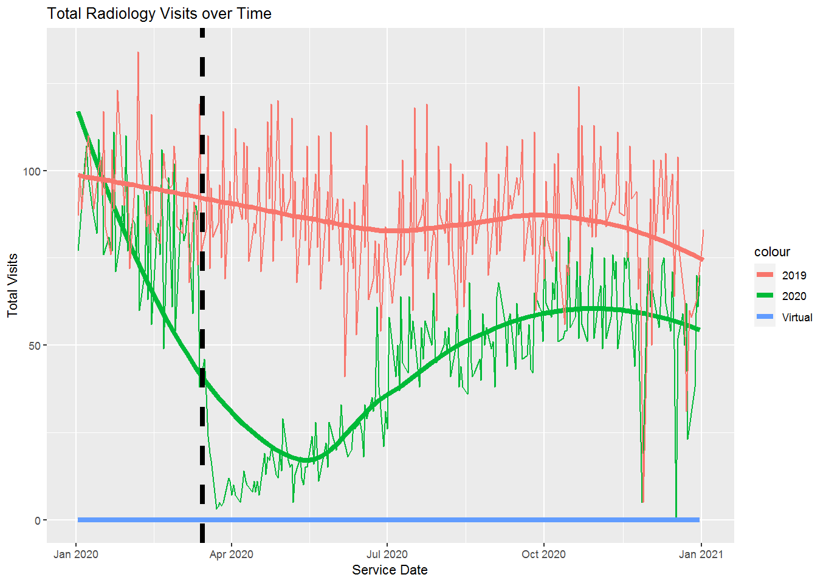
Provider | Appt Last Week | Virtual Appt Last Week | Average Week of Appts 2019 | Difference | Percent of 2019 | * For the week of 12/28/2020 - 1/1/2021
AMC_BONE_DENSITY | 4 | 0 | 1.5 | 2.5 | 267%
AMC_MAMMO_TECH | 24 | 0 | 27.25 | -3.25 | 88%
AMC_RADIOLOGY_TECH | 21 | 0 | 38 | -17 | 55%
AMC_ULTRASOUND_TECH | 14 | 0 | 15.25 | -1.25 | 92%
EHC_MAMMO_TECH | 21 | 0 | 25.75 | -4.75 | 82%
EHC_RAD_TECH | 29 | 0 | 28.25 | 0.75 | 103%
EHC_ULTRASOUND_TECH | 10 | 0 | 22.75 | -12.75 | 44%
GHC_BONE_DENS_TECH | 0 | 0 | 4 | -4 | 0%
GHC_MAMMO_TECH | 1 | 0 | 27.75 | -26.75 | 4%
GHC_RAD_TECH | 49 | 0 | 76.75 | -27.75 | 64%
GHC_Ultrasound | 17 | 0 | 21.5 | -4.5 | 79%
NHC_BONE_DENS_TECH | 10 | 0 | 5 | 5 | 200%
NHC_RAD_TECH | 33 | 0 | 49.75 | -16.75 | 66%
NHC_ULTRASOUND_TECH | 10 | 0 | 10.25 | -0.25 | 98%
Total | 243 | 0 | 359.5 | -116.5 | 68%

Rheumatology
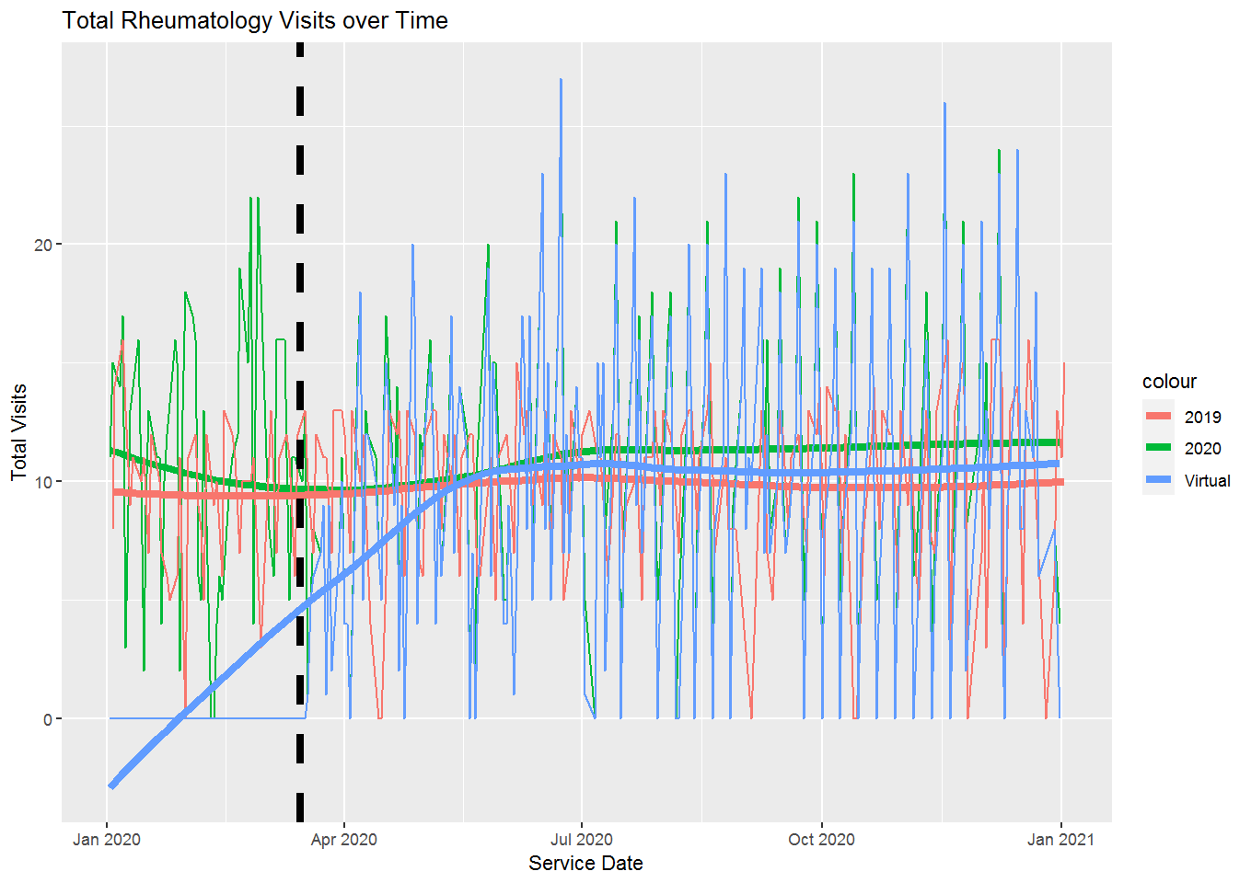
Provider | Appt Last Week | Virtual Appt Last Week | Average Week of Appts 2019 | Difference | Percent of 2019 | * For the week of 12/28/2020 - 1/1/2021
Marie_Maroun_MD | 0 | 0 | 9.5 | -9.5 | 0%
Richard_Brown_MD | 12 | 8 | 29.75 | -17.75 | 40%
Total | 12 | 8 | 39.25 | -27.25 | 31%

Sports Medicine
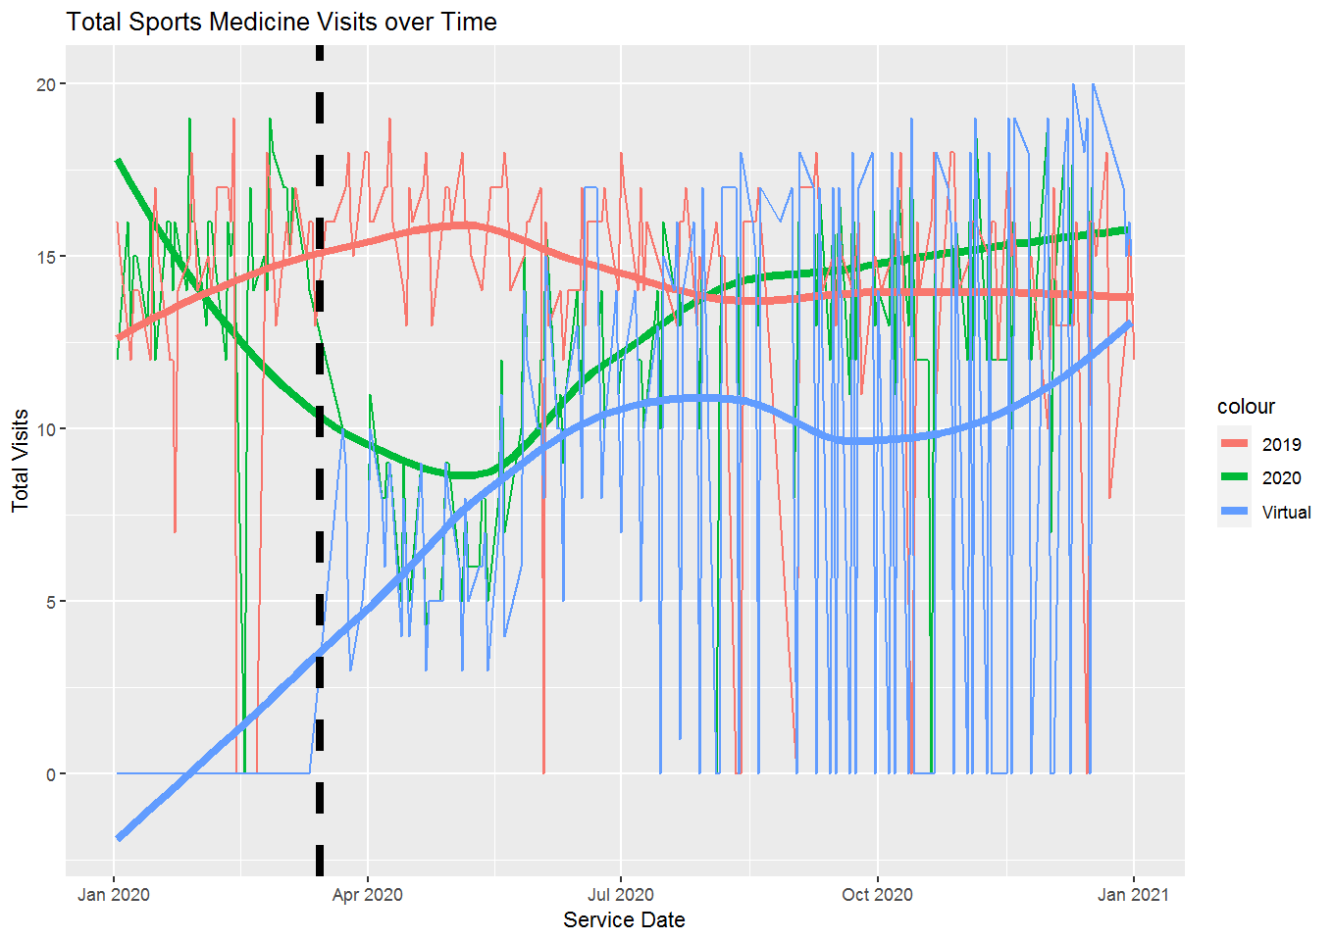
Provider | Appt Last Week | Virtual Appt Last Week | Average Week of Appts 2019 | Difference | Percent of 2019 | * For the week of 12/28/2020 - 1/1/2021
Gregory_Murphy_MD | 63 | 63 | 43.25 | 19.75 | 146%
Total | 63 | 63 | 43.25 | 19.75 | 146%

